Sheet1
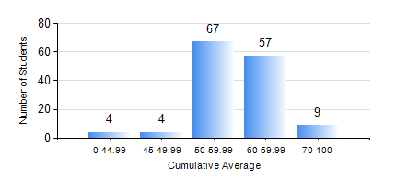
 |  |  | KWAME NKRUMAH UNIVERSITY OF SCIENCE AND TECHNOLOGY, KUMASI Department of Agricultural and Biosystems Engineering

 |  |  | BSC. AGRICULTURAL ENG.

 |  |  | COMPREHENSIVE RECORD OF EXAMINATION RESULTS

 |  |  | RESULTS OF YEAR 3 FIRST SEMESTER, 2020/2021 ACADEMIC YEAR

 | Sn | Course Code |  | Course Name | Credit Hours | Min. Mark | Max. Mark | Avg. Mark | Std. Dev. | No. Passed | No. Trailed | No. (Df) | No. (I) | No. (I*) | No. Tagged(I,I*,Df) | Total
 | 0. |  |  |  |  |  |  | 0 | 0 | 0 | 0 | 0 | 0 | 0 | 0 | 7
 | 1. | AE 351 |  | SOIL AND WATER ENGINEERING | 3 | 47 | 89 | 71 | 10.94 | 134 | 0 | 0 | 0 | 0 | 0 | 134
 | 2. | AE 353 |  | AGRICULTURAL MATERIALS HANDLING AND PROCESSING | 3 | 32 | 78 | 55 | 10.19 | 132 | 2 | 0 | 0 | 0 | 0 | 134
 | 3. | AE 373 |  | MACHINE DESIGN I | 3 | 11 | 69 | 51 | 8.04 | 130 | 4 | 0 | 0 | 0 | 0 | 134
 | 4. | AE 381 |  | COMPUTER APPLICATION FOR AGRICULTURAL ENGINEERS | 2 | 30 | 93 | 62 | 13.62 | 128 | 6 | 0 | 0 | 0 | 0 | 134
 | 5. | MATH 351 |  | NUMERICAL ANALYSIS | 2 | 40 | 78 | 55 | 7.37 | 134 | 0 | 0 | 0 | 0 | 0 | 134
 | 6. | ME 355 |  | STRENGTH OF MATERIALS II | 3 | 19 | 97 | 62 | 16.4 | 127 | 7 | 0 | 0 | 0 | 0 | 134
 | 7. | ME 365 |  | THERMODYNAMICS II | 3 | 41 | 91 | 61 | 10.6 | 134 | 0 | 0 | 0 | 0 | 0 | 134

